1. Title Page
[Instacart Grocery Basket Analysis]

Project Name: Grocery Basket Analysis
Date: 22.06.2024
Analyst Name: Aditi Mondal

Contents:
Population Flow
Consistency checks
Wrangling steps
Column derivations
Visualizations
Recommendations

2. Population Flow
Title page

Population flow

Exclusion flag
Condition: max_order <
Obervations to be removed:
Final total count of order_products_all:

Orders_products_combined
Orders_products_merged
Orders_products_all

Total: 3,421,859
Total:32,434,489
Total: 32,404,859

1.) The grey boxes in the first row of the population flow represent the original data sets as they were when you downloaded them. In the Total fields you need to add the count of the rows when you imported the data set into Jupyter.
2.) The second row of boxes (coloured) represents the data sets after you manipulated them, e.g., removed missing values and duplicates. In the Total fields you need to add the count of the rows after conducting these operations. This offers a visual oveview of how the data flows throughout the data consistency checks.
3.) The third row, where also the arrows are coloured, represents the merges you performed between the datasets. In the Total fields you need to add the count of the rows in the merged datasets, so that you end up with the final dataset (in the red box). Keep in mind the final dataset should be without exclusions (based on the exclusion flag).

3. Consistency checks
 |  |  |  | Title page
Consistency checks

Dataset | Missing values | Missing values treatment | Duplicates
orders | 206,209 - in "days_since_prior_order" | Impute the value with 0 since these were first orders of customers, so neither should have been removed nor had any values like mean or median | 0 rows removed
products | 16 - in "product_name" | Removed | 16 rows removed
orders_products_prior | n/a | n/a | n/a
customers | n/a | n/a | n/a
 | n/a | n/a | n/a

4. Wrangling steps
 |  |  |  | Title page
Wrangling steps

Columns dropped | Columns renamed | Columns' type changed | Comment/Reason
"eval_set" |  |  | Unnecessary to analysis (Ex 4.4)
 | "order_dow" |  | Because "orders_day_of_week" was considered easier to interpret
 |  | "order_id" (int --> str) | In Ex 4.4/Because these are 'ids' and are not needed to be computed or used in analysis
 |  | "user_id" (int --> str) | In Ex 4.4/Because these are 'ids' and are not needed to be computed or used in analysis
 | "Gender" |  | For consistency in format (Ex 4.9)
 | "STATE" |  | For consistency in format (Ex 4.9)
 | "Age" |  | For consistency in format (Ex 4.9)
 | "_merge" |  | Original merge flag caused error in Ex 4.9 when customer data had to be merged with the orders_products data
 | "_merge" |  | Renamed to identify against the other merge flag (named merge_2)
 |  | "product_id" (int64 --> int32) | Save on memory
 |  | "aisle_id" (int64 --> int16) | Save on memory
 |  | "department_id" (int64 --> int8) | Save on memory
 |  | "order_id" (str --> int32) | Save on memory
 |  | "user_id" (str --> int32) | Save on memory
 |  | "order_number" (int64 --> int16) | Save on memory
 |  | "orders_day_of_week" (int64 --> int8) | Save on memory
 |  | "order_hour_of_day" (int64 --> int8) | Save on memory
 |  | "add_to_cart_order" (int64 --> int16) | Save on memory
 |  | "reordered" (int64 --> int8) | Save on memory
 |  | "max_order" (int64 --> int16) | Save on memory
 |  | "user_id" (int64-->int32) | In customer data to merge with ords_prods_merge data
 |  | "age" (int64 --> int8) | Save on memory (Ex 4.9)
 |  | "n_dependents" (int64 --> int8 | Save on memory (Ex 4.9)
 |  | "income" (int64 --> int32) | save on memory (Ex 4.9)
_merge |  |  | Ex 4.10
merge2 |  |  | Ex 4.10

5. Column derivations
 |  |  |  | Title page

Column derivations and aggregations

In this tab you should add tables below that the frequences of flags/label variables that you produced after deriving them. NB: don't do this for continuous variables, only for flags.
Dataset | New column | Column/s it was derived from | Conditions
orders_checked | first_order | days_since_prior_order | ["days_since_prior_order"].isnull() True (206,209) False (3,214,874)
df_merged_large (orders products merged) | price_range | prices | High-range product (412,551): "prices" > 15 Mid-range product (21,860,860): 5 < "prices" <=15 Low-range product (10,126,321): "prices" <= 5
df_merged_large (orders products merged) | busiest_days | orders_day_of_week | Busiest days (11,862,627): if value in [0, 1] Slowest days (7,623,037): elif value in [3, 4] Regularly busy (12,914,068): else (value in [2, 5, 6])
df_merged_large (orders products merged) | busiest_period_of_day | order_hour_of_day | Most orders (21,114,733): if value in [10, 11, 14, 15, 13, 12, 16, 9] Average orders (9,996,048): elif value in [17, 8, 18, 19, 20, 7, 21, 22] Fewest orders (1,288,951): else (value in [23, 6, 0, 1, 5, 2, 4, 3])
df_ords_prods_merge | loyalty_flag | max_order (which was derived from user_id & order_number) | Loyal customer (10,282,763): "max_order" > 40 Regular customer (15,874,128): 10 < "max_order" <= 40 New customer (6,242,841): "max_order" <= 10
df_ords_prods_merge | spending_flag | user_mean_product_price (which was derived from user_id & prices) | Low spender (32,280,013): "user_mean_product_price" < 10 High spender (119,719): "user_mean_product_price" >= 10
orders_products_all | frequency_flag | median_days_between_orders (which was derived from user_id & days_since_prior_order) | Frequent customer (21,556,644): "median_days_between_orders" <= 10 Regular customer (7,207,340): 10 < "median_days_between_orders" <= 20 Non-frequent customer (3,635,743): "median_days_between_orders" > 20 nan (5): The result of 5 customers who only ever made 1 purchase and thus had no value in "median_days_between_orders"
df_final_dataset | region | state | Northeast (5,721,892): "State" isin ['Maine', 'New Hampshire', 'Vermont', 'Massachusetts', 'Rhode Island', 'Connecticut', 'New York', 'Pennsylvania', 'New Jersey'] Midwest (7,596,065): "State" isin ['Wisconsin', 'Michigan', 'Illinois', 'Indiana', 'Ohio', 'North Dakota', 'South Dakota', 'Nebraska', 'Kansas', 'Minnesota', 'Iowa', 'Missouri'] West (8,291,679): "State" isin ['Idaho', 'Montana', 'Wyoming', 'Nevada', 'Utah', 'Colorado', 'Arizona', 'New Mexico', 'Alaska', 'Washington', 'Oregon', 'California', 'Hawaii'] South (10,790,096): "State" isin ['Delaware', 'Maryland', 'District of Columbia', 'Virginia', 'West Virginia', 'North Carolina', 'South Carolina', 'Georgia', 'Florida', 'Kentucky', 'Tennessee', 'Mississippi', 'Alabama', 'Oklahoma', 'Texas', 'Arkansas', 'Louisiana']
df_final_dataset | age_group | age | Middle-aged Adult (31-59) = 14085820 Senior (>=60) = 10574504 Young Adult (<=30) = 6304240
df_final_dataset | income_group | income | Mid Income (51000-149999) = 23706735 High Income (>= 150000) = 3895275 Low Income (<= 50000) = 3362554
df_final_dataset | hour_group | order_hour_of_day | Afternoon Shopper (>12 to <=18) = 13590355 Morning Shopper (>= 6 to <= 12) = 12927366 Night Shopper (> 18 to <= 22) = 3494958 Wee-hours Shopper (< 6 and > 22) = 951885
df_final_dataset | day_group | orders_day_of_week | Weekend=0,6 (Sunday, Saturday resp.) Weekday=1 to 5 (Monday to Friday)

6. Visualizations
 |  | Title page

Visualisations

In this tab you should include all the visualtions from Exercises 4.9 and 4.10, alongside the questions from the project brief that they answer. Include any commentary on the relationship between different variables.

The sales team needs to know what the busiest days of the week and hours of the day are (i.e., the days and times with the most orders) in order to schedule ads at times when there are fewer orders.

Busiest day: Saturday and Sunday | Busiest hours: 9am-5pm with the busiest hour being 10am

They also want to know whether there are particular times of the day when people spend the most money, as this might inform the type of products they advertise at these times
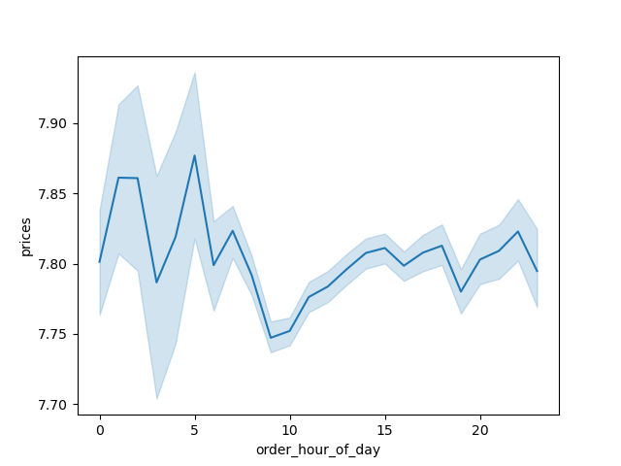

Hours of the day people spend most: Between 9am-4pm

Are there certain types of products that are more popular than others? The marketing and sales teams want to know which departments have the highest frequency of product orders.
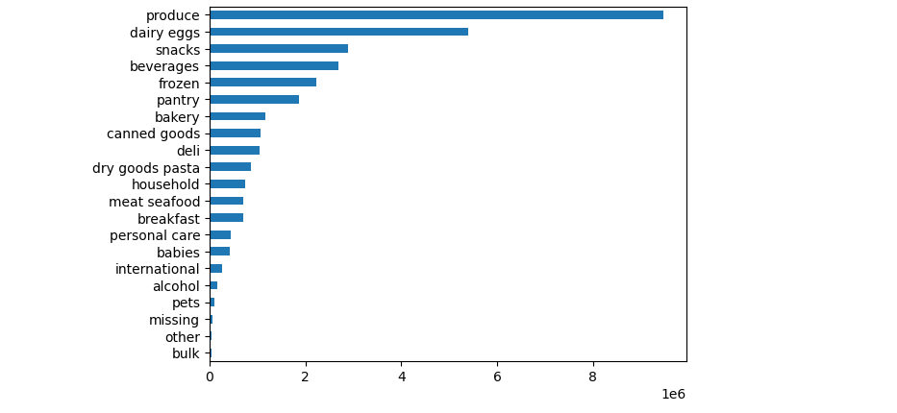

The top 5 products are produce, dairy eggs, snacks, beverages and frozen foods.

What’s the distribution among users in regards to their brand loyalty (i.e., how often do they return to Instacart)?
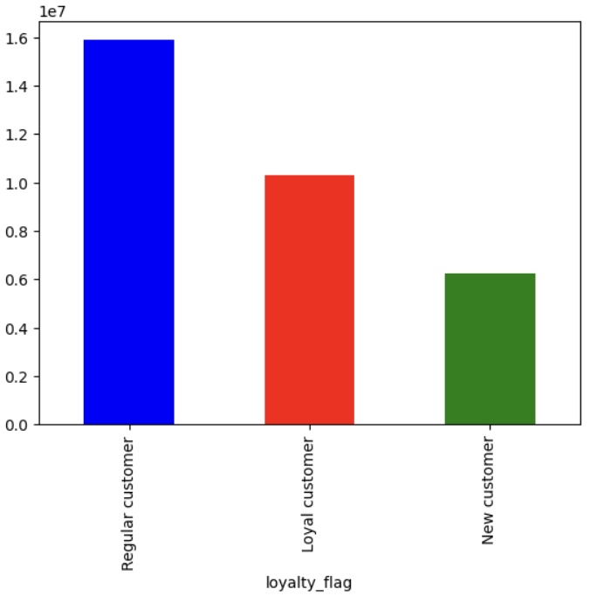

There are more regular customers than loyal customers, least being the new customers.

Are there differences in ordering habits based on a customer’s loyalty status?
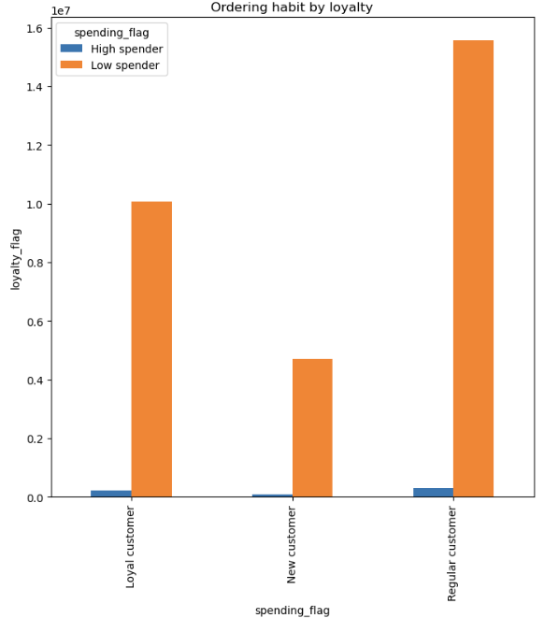

Low-spenders are very high compared to high spender in all groups of customers.

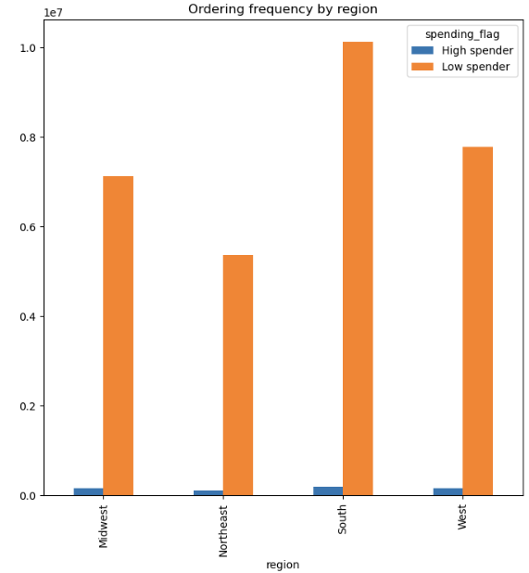
Are there differences in ordering habits based on a customer’s region?
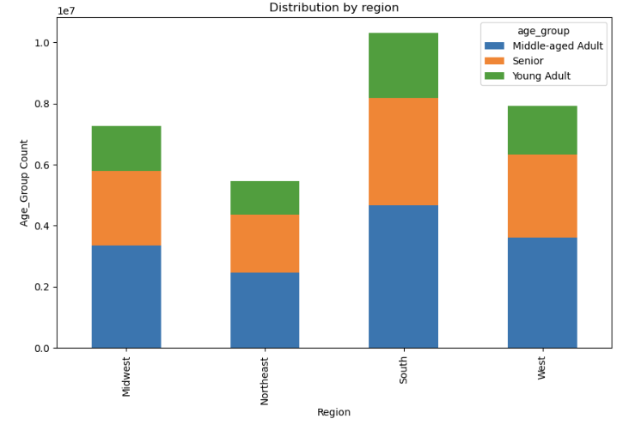 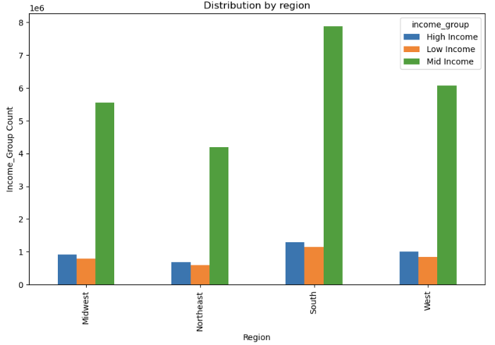 | 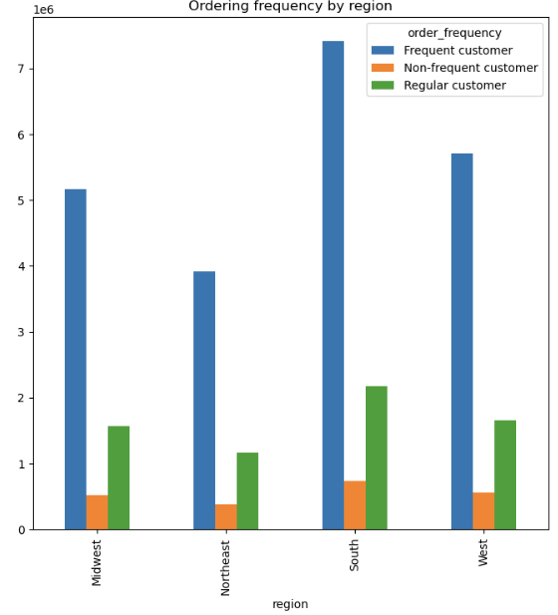

Region wise distribustion based on age, income, ordering frequency and spending flag 1. Middle aged adults are high in all regions. 2. Customers with mid-income are higher in all regions. 3. Frequent customers are high in the South followed by West. 4. Low spenders are high among all regions compared to high spenders. Since the population of Southern region is high, Instacart can prioritize to increase sale in the region. When I compared spendings in different regions, I did not find much difference based on population of each state. So I think, if we think of strategy to increase regular customers in the regions, it should do the trick. We can think of secret sales for regular customers, member deals, reward points and so on to convert frequent customers into regular ones.
Is there a connection between age and income?
 | There is no connection between income and age as can be seen by the scatter plot. It can be seen that a high number of customers earn below 200,000. There are a few who earn above 200,000. We can separately focus on the profiles of these customers to see how and where thet spend money. We can think of ways to engage these customers by offering premium products, express delivery are a few ideas that can be bring into action.

7. Recommendations
 |  | Title page

Recommendations

In this tab you should include any recommendations you would made to Instcart in terms of their marketing strategy based on the questions posed in the brief. Every key question has been covered in the Tasks of the Exercises - here you need to add an item - a visualisation or table/crosstable that is showing the answer in the data, acompanied by a comment from you. Please, list the questions below and add the answer underneath.

Question
Key Question 1: what the busiest days of the week and hours of a day are? The busiest days of the week are Saturday and Sunday between the hours of 9 am to 5 pm, with the busiest hour being 10am. The least busy day is Wednesday and the least busy hours are before 6am and after 10pm.
Key Question 2: Particular times of the day when people spend the most money? People spend the most money during the hours of 8am to 4pm. 9 am is when people spend the most money. Therefore, Instacart should utilize those times to advertise specific products.
Key Question 3: What’s the distribution among users in regards to their brand loyalty (i.e., how often do they return to Instacart)? There are more regular customers than loyal customers. Therefore, Instacart should offer incentives to reward its regular customers and incentize non regular customers (loyal and new) to become regular customers.
Key Question 4: Are there differences in ordering habits based on a customer’s loyalty status? It can be observed from the figure on the right, low-spenders are very high compared to high spender in all groups of customers. I think it will be useful to separately profile high spenders to identify products they spend on and place ads or improve quality of product, express delivery and so on can be adopted to increase high spending.
Key Question 5: Are there differences in ordering habits based on a customer’s region? As it can be seen from figure on the right, population of both high spender and low spender are high in the South region. To compare the number of high and low spenders, I have found the percentage based on population in each region. Population in South=127,353,282 as in 22.06.2024 High spender in South=0.16% Low spender in South=8.3% Population in West=78,602,026 as in 22.06.2024 High spender in West=0.2% Low spender in West=10.3% Population in Midwest=68,850,246 as in 22.06.2024 High spender in Midwest=0.2% Low spender in Midwest=10.8% Population in Northeast=57,243,423 as in 22.06.2024 High spender in Northeast=0.2% Low spender in Northeast=9.8% If we look above, there isn't a much difference in how people are spending in different regions. | 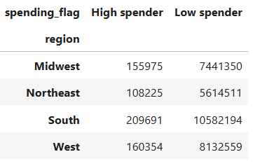
Key Question 6: Is there a connection between age and ordering habits? From the figure on the right side, it can be seen that ordering frquency is high by middle-aged adults between 31-59 followed by seniors in the age hroup of above 60. Understandably, young adults do not order so frequently. One reason could be that young adults could go shopping offline, eat outside more frequently and hunt for sales around cities.
Key Question 7: What different classifications does the demographic information suggest? Age? Income? Certain types of goods? Family status? I think age is a good classification as can be seen from above. Young adults do not order so frequently. It could be that young adults are more energetic, could go shopping offline, hunt for best deals around cities and have other arrangements for groceries like eating in a mess, restaurant and so on. However, the most frequent users are middle-aged adults followed by seniors and I think this could be because they are busy through out the week and save time by ordering online.

